Top 10 Cities
Top 10 Cities
This code gives us the top ten cities in the countries that have the most customers.

SQL Code

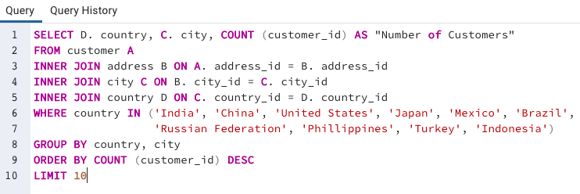

Results

 | country | city | Number of Customers
 | United States | Aurora | 2
 | Mexico | Acua | 1
 | United States | Citrus Heights | 1
 | Japan | Iwaki | 1
 | India | Ambattur | 1
 | China | Shanwei | 1
 | Brazil | So Leopoldo | 1
 | Russian Federation | Teboksary | 1
 | China | Tianjin | 1
 | Indonesia | Cianjur | 1

